SQ
 |  | SALES QUOTATION

 |  |  |  | Date:22/12/2017
 |  |  |  | Reference:SA/SQ/1242
 |  |  |  | Terms: 100% Cash Advance
 |  |  |  | Shipment:By Sea
EXPORTER: |  |  |  | Shipment Terms:Ex Factory

REPRESENTATIVE OF IMPORTER : |  |  |  | SHIP TO:

Sr. NO | DESCRIPTION | Qty | Unit | UNIT PRICE | AMOUNT

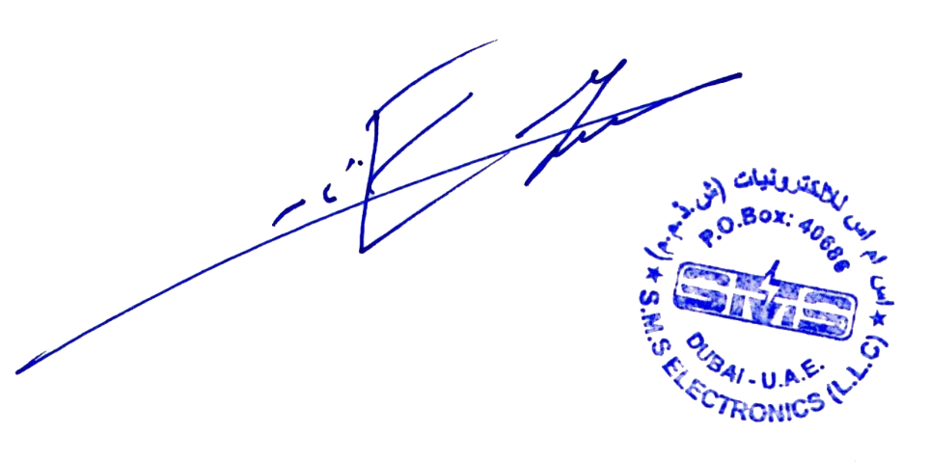
Amount in Words: |  |  |  | Subtotal
Two Hundred Fifty Three Thousand Seven Hundred Ninety Dirhams Only |  |  |  | Others
 |  |  |  | TOTAL AMOUNT
Packing :
Origin : |  | PREPARED BY:
Loading Port :
Discharge Port :

